Anti. Epit. H1N1
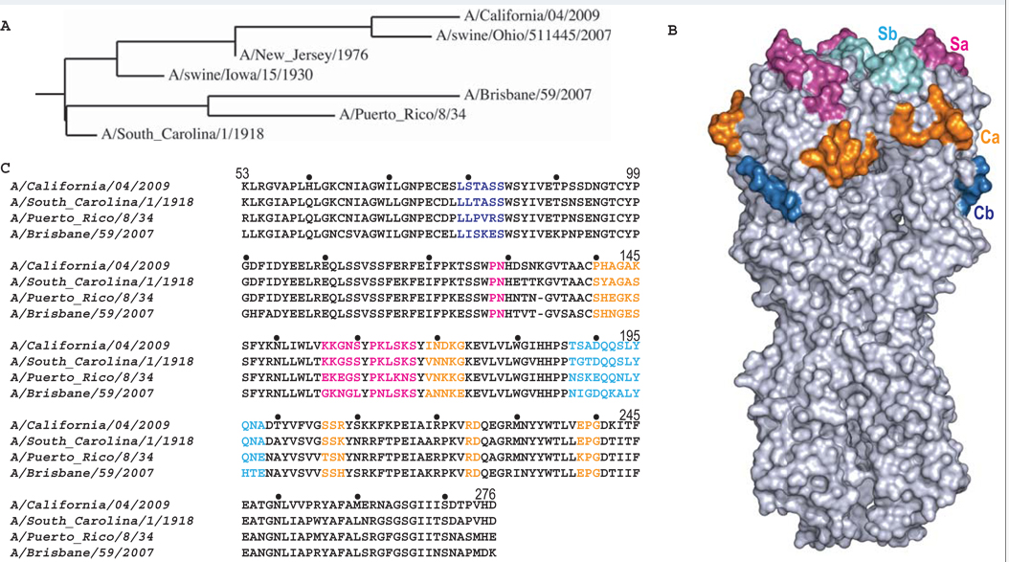

H1N1 Antigenic epitope - Xu, Wilson, Science, 2010
Xu R, et al., Science 328:357-360, 2010

